Results
 |  | 1 | 2 | 3 | 4 | 5 | 6 | 7 | 8 | 9 | 10 | 11 | 12 |  | 0 wash
 | A | 488 | 2707 | 2203 | 3734 | 1408 | 2795 | 5735 | 3913 | 5056 | 0 | 0 | 1 | 485/20,528/20 | Gain = 50
 | B | 1137 | 2782 | 1996 | 4187 | 1640 | 4186 | 4496 | 5712 | 11894 | 6 | 11 | 8 | 485/20,528/20
 | C | 1046 | 2444 | 3019 | 5643 | 1815 | 4482 | 5878 | 10322 | 8556 | 8 | 11 | 9 | 485/20,528/20
 | D | 596 | 1358 | 1581 | 2364 | 647 | 1157 | 1681 | 2371 | 3542 | 0 | 0 | 1 | 485/20,528/20
 | E | 656 | 1748 | 1234 | 2184 | 515 | 1027 | 1644 | 1648 | 1880 | 0 | 0 | 8 | 485/20,528/20
 | F | 342 | 1872 | 1476 | 1885 | 439 | 1146 | 1305 | 1585 | 5084 | 2 | 9 | 13 | 485/20,528/20
 | G | 1198 | 870 | 1676 | 603 | 721 | 783 | 19 | 38 | 24 | 12 | 5 | 0 | 485/20,528/20
 | H | 964 | 1314 | 1595 | 410 | 699 | 586 | 165 | 137 | 146 | 7 | 0 | 0 | 485/20,528/20

 |  | 1 | 2 | 3 | 4 | 5 | 6 | 7 | 8 | 9 | 10 | 11 | 12 |  | 0 wash
 | A | 1889 | 10152 | 8349 | 14380 | 5219 | 10704 | 21507 | 14435 | 20216 | 17 | 12 | 11 | 485/20,528/20 | Gain = 60
 | B | 4239 | 10419 | 7502 | 15699 | 6212 | 16188 | 16924 | 21715 | 47764 | 28 | 23 | 17 | 485/20,528/20
 | C | 3989 | 9202 | 11356 | 21535 | 6879 | 17433 | 21918 | 27036 | 27895 | 12 | 12 | 19 | 485/20,528/20
 | D | 2141 | 4922 | 5708 | 8705 | 2305 | 4238 | 6188 | 8364 | 10717 | 28 | 29 | 27 | 485/20,528/20
 | E | 2346 | 6320 | 4591 | 8023 | 1844 | 3777 | 6000 | 5977 | 6895 | 12 | 18 | 26 | 485/20,528/20
 | F | 1270 | 6757 | 5432 | 6583 | 1590 | 4192 | 4800 | 5916 | 14221 | 20 | 27 | 30 | 485/20,528/20
 | G | 4530 | 3626 | 6347 | 2269 | 2713 | 3024 | 89 | 125 | 61 | 21 | 27 | 31 | 485/20,528/20
 | H | 3776 | 5171 | 6312 | 1550 | 1902 | 2248 | 603 | 454 | 503 | 15 | 21 | 28 | 485/20,528/20

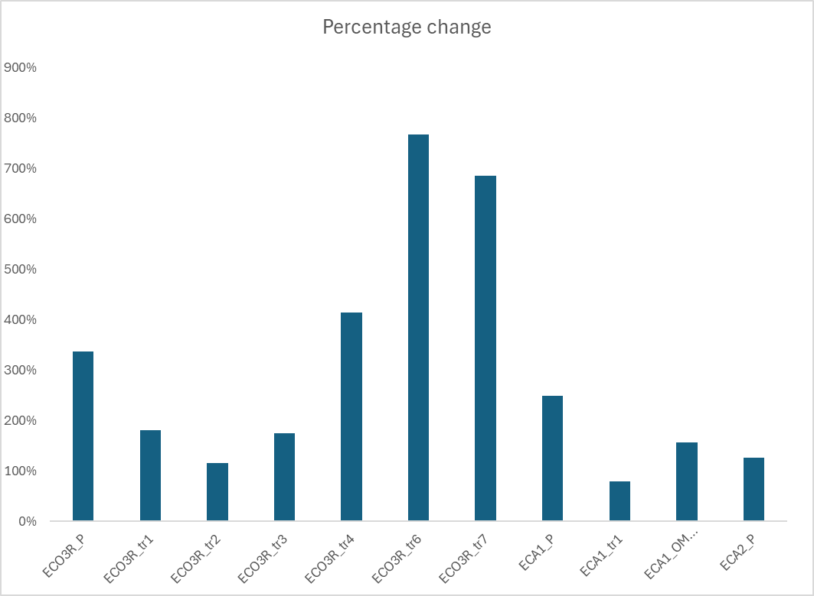
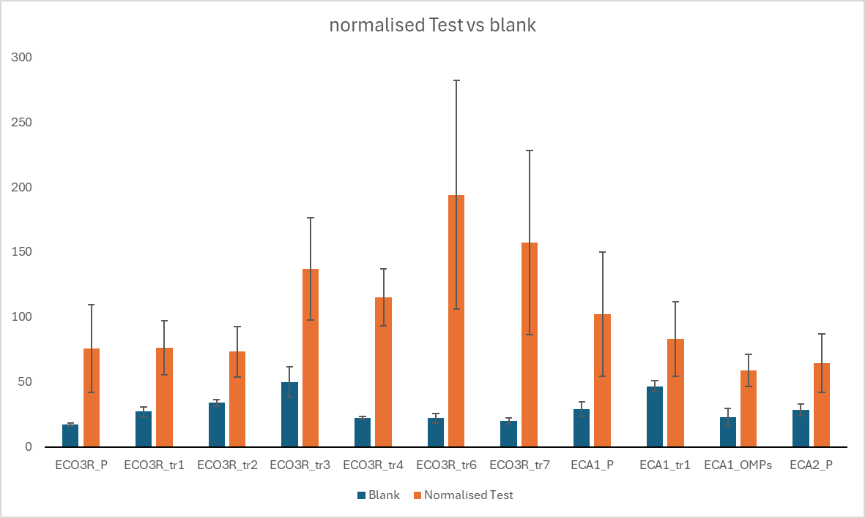
 |  | 1 | 2 | 3 | 4 | 5 | 6 | 7 | 8 | 9 | 10 | 11 | 12 |  | 1 wash
 | A | 783 | 2985 | 3499 | 7837 | 3527 | 3852 | 21744 | 7568 | 20992 | 16 | 10 | 14 | 485/20,528/20 | Gain = 60
 | B | 2610 | 4286 | 3095 | 8417 | 4102 | 8923 | 18528 | 8874 | 29524 | 22 | 26 | 24 | 485/20,528/20
 | C | 2705 | 3693 | 5766 | 12436 | 4533 | 10133 | 19064 | 10291 | 24363 | 14 | 22 | 29 | 485/20,528/20
 | D | 532 | 903 | 785 | 1118 | 730 | 291 | 8974 | 9906 | 10687 | 10 | 15 | 25 | 485/20,528/20
 | E | 393 | 833 | 716 | 1945 | 392 | 543 | 6993 | 2136 | 9603 | 30 | 23 | 15 | 485/20,528/20
 | F | 196 | 663 | 1763 | 934 | 363 | 6541 | 1171 | 8796 | 13446 | 28 | 18 | 11 | 485/20,528/20
 | G | 1949 | 1583 | 2540 | 192 | 351 | 299 | 47 | 48 | 42 | 20 | 12 | 14 | 485/20,528/20
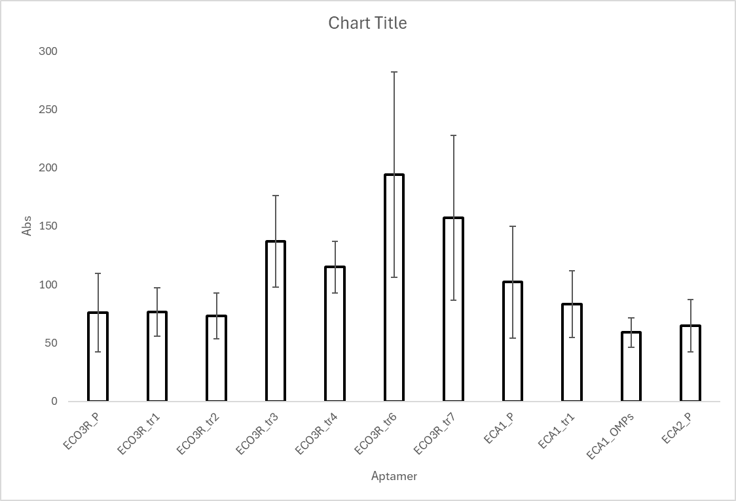
 | H | 1896 | 2551 | 3617 | 240 | 2344 | 341 | 504 | 260 | 341 | 23 | 29 | 24 | 485/20,528/20

 |  | 1 | 2 | 3 | 4 | 5 | 6 | 7 | 8 | 9 | 10 | 11 | 12 |  | 2nd wash
 | A | 636 | 1864 | 2356 | 6062 | 2356 | 2068 | 5816 | 5357 | 3359 | 20 | 27 | 24 | 485/20,528/20 | Gain = 60
 | B | 1789 | 3305 | 2331 | 5907 | 2934 | 6452 | 3469 | 4354 | 6871 | 17 | 9 | 15 | 485/20,528/20
 | C | 2092 | 1934 | 3813 | 10215 | 3566 | 7370 | 2236 | 1517 | 4645 | 16 | 11 | 16 | 485/20,528/20
 | D | 46 | 44 | 47 | 126 | 43 | 107 | 185 | 91 | 176 | 19 | 28 | 27 | 485/20,528/20
 | E | 48 | 27 | 30 | 159 | 43 | 83 | 84 | 44 | 134 | 29 | 25 | 14 | 485/20,528/20
 | F | 27 | 29 | 46 | 184 | 63 | 133 | 117 | 120 | 223 | 29 | 21 | 12 | 485/20,528/20
 | G | 1474 | 1140 | 1883 | 25 | 65 | 68 | 47 | 28 | 22 | 15 | 26 | 28 | 485/20,528/20
 | H | 1389 | 1977 | 3074 | 31 | 44 | 35 | 345 | 231 | 321 | 15 | 13 | 21 | 485/20,528/20
 |  | ECO3R_P | ECO3R_tr1 | ECO3R_tr2 | ECO3R_tr3 | ECO3R_tr4 | ECO3R_tr6 | ECO3R_tr7 | ECA1_P | ECA1_tr1 |  |  |  |  |  |  |  |  |  |  |  |  | Percentage of normalisedabove baseline | Percentage of not normalisedabove baseline
 |  | 1 | 2 | 3 | 4 | 5 | 6 | 7 | 8 | 9 | 10 | 11 | 12 |  | 3rd wash | TEST | Averg | BLANK | Averg | STDV.P | Normalised Averg | STDV
 | A | 517 | 1659 | 2078 | 5698 | 2071 | 1596 | 5067 | 4531 | 2385 | 25 | 26 | 19 | 485/20,528/20 | Gain = 60 | ECO3R_P | 1313 | BLANK | 17.333333333 | 1.2472191289 | 75.75 | 33.597238105 | 337% | 7475%
 | B | 1528 | 2895 | 1970 | 5258 | 2399 | 5276 | 2652 | 3313 | 5633 | 18 | 10 | 11 | 485/20,528/20 |  | ECO3R_tr1 | 2093.3333333 | BLANK | 27.333333333 | 3.6817870057 | 76.585365854 | 20.763053777 | 180% | 7559%
 | C | 1894 | 1726 | 3429 | 9622 | 3235 | 6122 | 1714 | 1142 | 3635 | 28 | 25 | 17 | 485/20,528/20 |  | ECO3R_tr2 | 2492.3333333 | BLANK | 34 | 2.4494897428 | 73.303921569 | 19.523214427 | 116% | 7230%
 | D | 19 | 32 | 37 | 45 | 23 | 22 | 22 | 37 | 41 | 23 | 14 | 11 | 485/20,528/20 |  | ECO3R_tr3 | 6859.3333333 | BLANK | 50 | 11.575836903 | 137.18666667 | 39.234832597 | 174% | 13619%
 | E | 16 | 23 | 31 | 66 | 23 | 27 | 21 | 24 | 51 | 27 | 22 | 14 | 485/20,528/20 |  | ECO3R_tr4 | 2568.3333333 | BLANK | 22.333333333 | 0.94280904158 | 115 | 21.942714863 | 415% | 11400%
 | F | 17 | 27 | 34 | 39 | 21 | 18 | 17 | 27 | 48 | 27 | 17 | 12 | 485/20,528/20 |  | ECO3R_tr6 | 4331.3333333 | BLANK | 22.333333333 | 3.6817870057 | 193.94029851 | 87.974651567 | 768% | 19294%
ECA1_OMPs | G | 1335 | 1013 | 1721 | 31 | 23 | 15 | 32 | 27 | 38 | 26 | 16 | 12 | 485/20,528/20 |  | ECO3R_tr7 | 3144.3333333 | BLANK | 20 | 2.1602468995 | 157.21666667 | 70.621601196 | 686% | 15622%
ECA2_P | H | 1168 | 1687 | 2714 | 32 | 32 | 22 | 302 | 190 | 296 | 29 | 26 | 17 | 485/20,528/20 |  | ECA1_P | 2995.3333333 | BLANK | 29.333333333 | 5.5577773335 | 102.11363636 | 47.784173333 | 248% | 10111%
 |  |  |  |  |  |  |  |  |  |  |  |  |  |  |  | ECA1_tr1 | 3884.3333333 | BLANK | 46.666666667 | 4.18993503 | 83.235714286 | 28.66414243 | 78% | 8224%
 |  |  |  |  |  |  |  |  |  |  |  |  |  |  |  | ECA1_OMPs | 1356.3333333 | BLANK | 23 | 6.5319726474 | 58.971014493 | 12.584050544 | 156% | 5797%
 |  |  |  |  | 6859.3333333 | 137.18666667 |  |  |  |  |  |  |  |  |  | ECA2_P | 1856.3333333 | BLANK | 28.666666667 | 4.7140452079 | 64.755813953 | 22.409622585 | 126% | 6376%
 |  |  |  |  | 50 |  |  |  |  |  |  |  | ECA2_P = ECA2_OMP on tube

